Form
 |  | Obsolescence Claim |  |  |  |  |  |  |  | Program Phase Out
 |  |  |  |  |  |  |  |  |  | Design Change
THIS FORM SHOULD BE USED FOR THE DISPOSAL OF SUPPLIER OBSOLESCENT PARTS. |  |  |  |  |  |  |  |  |  | Customer Request
PLEASE SEND ORIGINAL DOCUMENTS TO: |  |  |  | Astemo Americas, Procurement Department via email |  |  |  |  |  | Program Cancellation
 |  |  |  | 1000 Unisia Drive, Monroe GA 30655 (Tel: 770-207-0050 Fax: 770-207-0055)

Supplier Name: |  |  |  |  | Description:
Part #: |  |  |  |  | Program:
Contact Information: |  |  |  |  | Today's Date:
Reimbursement Total |  | 0 |  |  | Balance Out Date:
 |  |  |  |  |  | NOA Number:
1. Inventory Information

FINISHED ASSEMBLY
Part # | Description | Material Location |  | Unit of Measure | Stock Condition |  | Quantity | Unit Cost | Total Value
 |  |  |  |  |  |  |  |  | 0
Comments:
WORK IN PROCESS
Part # | Description | Material Location |  | % Complete | Stock Condition |  | Quantity | Unit Cost | Total Value
 |  |  |  |  |  |  |  |  | 0
 |  |  |  |  |  |  |  |  | 0
Comments:
RAW MATERIAL
Part # | Description | Material Location |  | Unit of Measure | Stock Condition |  | Quantity | Unit Cost | Total Value
 |  |  |  |  |  |  |  |  | 0
 |  |  |  |  |  |  |  |  | 0
Comments:
 |  |  |  |  |  |  |  | Total | 0

SCRAP CALCULATION |  | Total Weight | Market Price per KG |  | (Quantity) | Total Value
FINISHED ASSEMBLY |  |  |  |  |  | 0
WORK IN PROCESS |  |  |  |  |  | 0
RAW MATERIAL |  |  |  |  |  | 0 |  | Scrap Total | 0

Others: | Are there alrenate usage or sales opportunites for the finished goods or raw materials ?

2. Background Information
Comments/Detailed Information:

If parts are authorized to scrap Hitachi requires photo for scrap ( ex. picture which shows that how parts went through in scrap bin / or punch hole in most functional or critical area of part so that parts are not used again.
3 Picture
Please send/attach photos for current inventory at supplier location (FG/WIP/RM)
Paste appropriate graphic of inside/outside of obsolecent parts dunnage so that parts are countable from the photo.

4. Schedule
Please send/attach scheudle from Astemo NOA to obsolescence submission (per Astemo's obsolescence authorization clause)

Astemo Use Only
Claim #
GA Inventory Information ( RAW/WIP/FG)
Type of Payment: Customer or GA responsibility

Supplier Signature |  |  |  |  |  | Astemo Signature

Obsolescence clause
 | (Astemo)-AM GA
 | October 28th, 2015, Rev. 3

Obsolescense Authorization Clause

Astemo AM GA authorizes below lead time for obsolecenses (dead stock) when program change or design change (Eg. Phase out, Program Cancelation, etc).

1) Domestic Supply (North America Manufacturing)
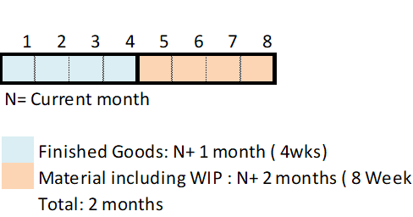

2) International Supply (Overseas Manufacturing)
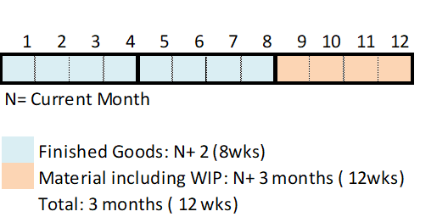

-If supplier requests lead time other than above, it has to be agreed by Astemo AM GA purchasing before PPAP.

-If supplier has quality issue or any other issue which leads to a beach of contract of Astemo AM terms and conditions, above obsolescence authorization does not apply.

Akiko Hoover
Senior Procurement Manager

